Sheet1
Chorded Geometry Calculator
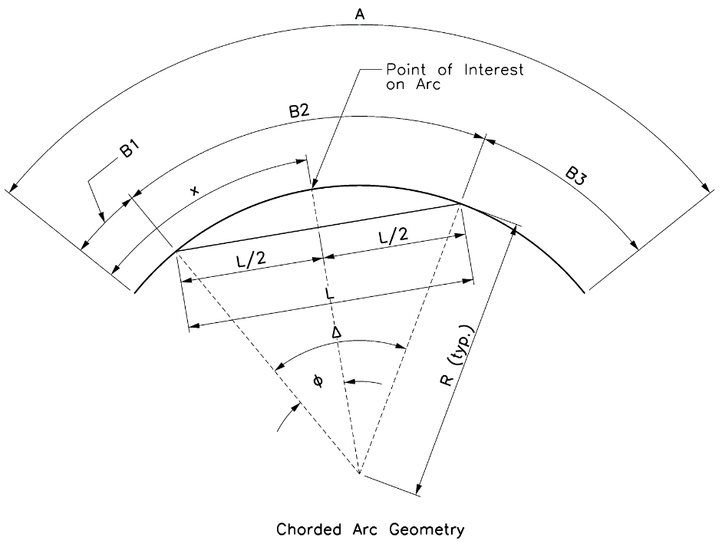

Input |  |  |  | Output
A = | 87.3958 |  |  | B1 = | 18.6146
x = | 43.6200 |  |  | B2 = | 50.0108
L = | 50.0000 |  |  | B3 = | 18.7704
R = | 693.0833 |  |  | e = | 0.4510

Calculations
 |  | φ = | 0.0361 | rad
 |  | φ = | 2.0671 | deg

 |  | Δ = | 0.0722 | rad
 |  | Δ = | 4.1343 | deg

 |  | B2 = | 50.0108

 |  | B1 = | 18.6146

 |  | B3 = | 18.7704

 |  | e = | 0.4510

